DELV-27262
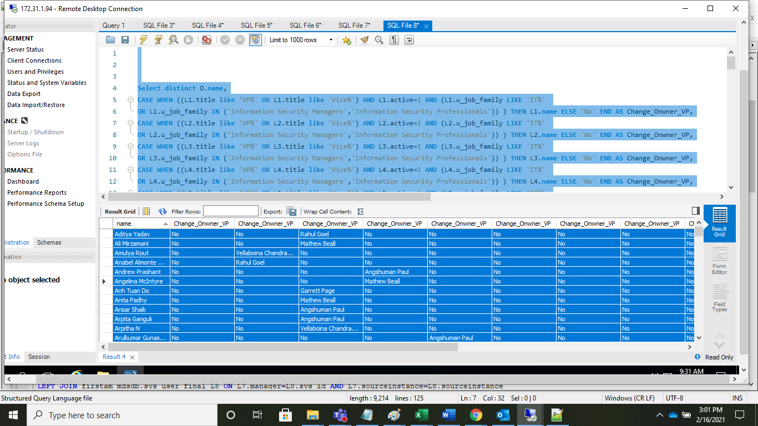
TC_No | Test Case | Test Description | Expected Result | Actual Result | Result | Defect JIRA # | Comments
1 | DELV-27262 | FirstAm: Implement a VP hierarchy for Change Credit Score (CCS)
 |  |  | Custom Change Credit Score Dashboard should be created. | CCS Dashboard Has been created | Pass
 |  |  | Custom Manager Hierarchy to Filter the Change Owner Credit Scores. | CCS Dashboard has been cusotmized based upon the Change Owner | Pass
 |  |  | Hierarchy Should be from Lowest level up to the VP level | First VP Has been Picked up. | Pass
 |  |  | The Hierarchy should be stoped at First VP even thought there will be other managers above that. | The Hierarchy has been stoped by the First VP. | Pass
 |  |  | we do have the sys_user.title and should be like 'VP'. | Yes respective title has been filtered for VP. | Pass
 |  |  | When chossen the First VP of a Change Onwer, all the list of each change owner credit score should be populated. | Yes Respective records has been populted as per the VP selection. | Pass
 |  |  | Additionally, be able to filter this list of change owners by VP, any change owner, Assignment Group, AG Manager, Assignee, or Department. (final list TBD) | We do have only at the Change Owner and Change Owner VP attirbutes,hence other attributes are not added to the snapshot cube for the Credit Scores. | Pass

 | VP's in FirstAm | Total 24 VP's will be under the mentioned filter.
Select a.sys_id, a.name,a.active,a.title,a.u_job_family,a.title,Count(1) From firstam_mdsdb.sys_user_final a WHERE (a.u_job_family LIKE 'IT%' OR a.u_job_family IN ('Information Security Managers','Information Security Professionals')) AND (a.title like 'VP%' OR a.title like 'Vice%') AND a.active=1 AND a.cdctype='X' group by 1,2,3,4,5,6;

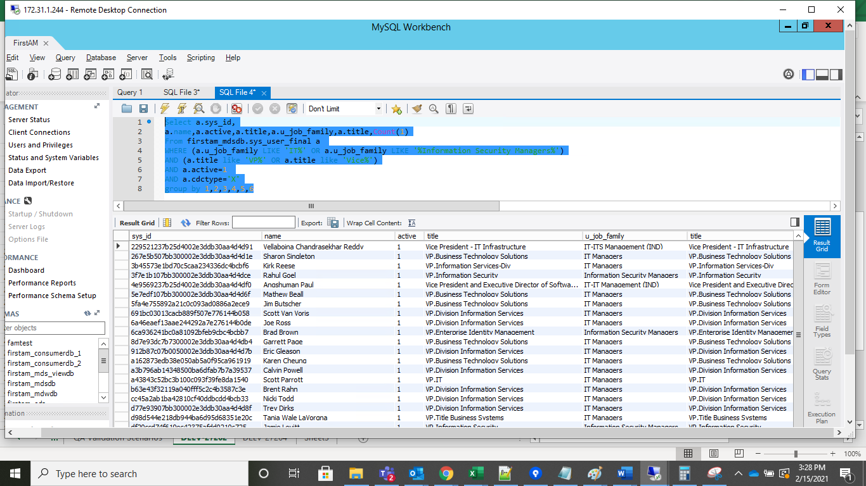

VP's with UNSPECIFIC.

Select a.number,a.state,SLKP.dimension_name,O.name,O.title,L1.name As Fisrt_Manager,L1.title,L2.name AS Second_Manager,L2.title,L2.u_job_family, L3.name AS third_Manager, L3.title,L3.u_job_family, L4.name AS third_Manager, L4.title,L4.u_job_family, L5.name AS third_Manager, L5.title,L5.u_job_family, L6.name AS third_Manager, L6.title,L6.u_job_family, L7.name AS third_Manager, L7.title,L7.u_job_family, L8.name AS third_Manager, L8.title,L8.u_job_family, L9.name AS third_Manager, L9.title,L9.u_job_family, L10.name AS third_Manager, L10.title,L10.u_job_family, L12.name AS third_Manager, L12.title,L12.u_job_family, L13.name AS third_Manager, L13.title,L13.u_job_family, L14.name AS third_Manager, L14.title,L14.u_job_family From firstam_mdsdb.change_request_final a JOIN firstam_mdwdb.d_calendar_date da ON date_format(convert_tz(a.opened_at,'UTC','US/Pacific'),'%Y%m%D')=da.row_key LEFT JOIN firstam_mdsdb.sys_user_final O ON a.u_change_owner=O.sys_id AND a.sourceinstance=O.sourceinstance LEFT JOIN firstam_mdsdb.sys_user_final L1 ON O.manager=L1.sys_id AND O.sourceinstance=L1.sourceinstance LEFT JOIN firstam_mdsdb.sys_user_final L2 ON L1.manager=L2.sys_id AND L1.sourceinstance=L2.sourceinstance LEFT JOIN firstam_mdsdb.sys_user_final L3 ON L2.manager=L3.sys_id AND L2.sourceinstance=L3.sourceinstance LEFT JOIN firstam_mdsdb.sys_user_final L4 ON L3.manager=L4.sys_id AND L3.sourceinstance=L4.sourceinstance LEFT JOIN firstam_mdsdb.sys_user_final L5 ON L4.manager=L5.sys_id AND L4.sourceinstance=L5.sourceinstance LEFT JOIN firstam_mdsdb.sys_user_final L6 ON L5.manager=L6.sys_id AND L5.sourceinstance=L6.sourceinstance LEFT JOIN firstam_mdsdb.sys_user_final L7 ON L6.manager=L7.sys_id AND L6.sourceinstance=L7.sourceinstance LEFT JOIN firstam_mdsdb.sys_user_final L8 ON L7.manager=L8.sys_id AND L7.sourceinstance=L8.sourceinstance LEFT JOIN firstam_mdsdb.sys_user_final L9 ON L8.manager=L9.sys_id AND L8.sourceinstance=L9.sourceinstance LEFT JOIN firstam_mdsdb.sys

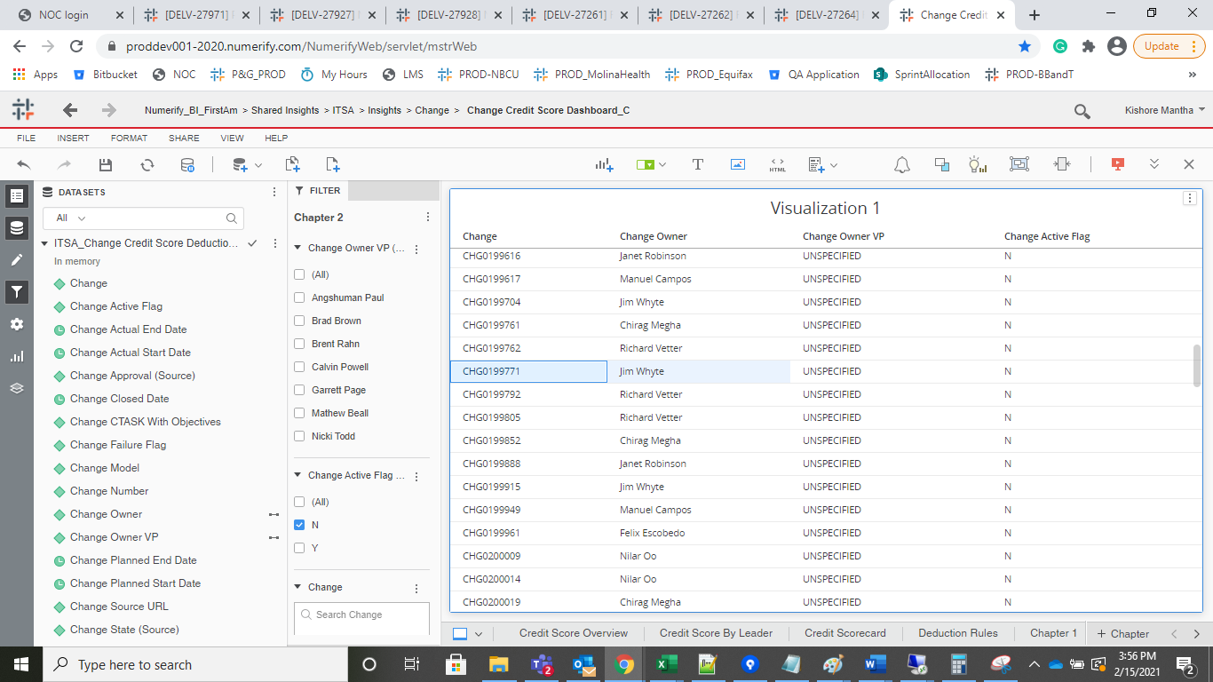
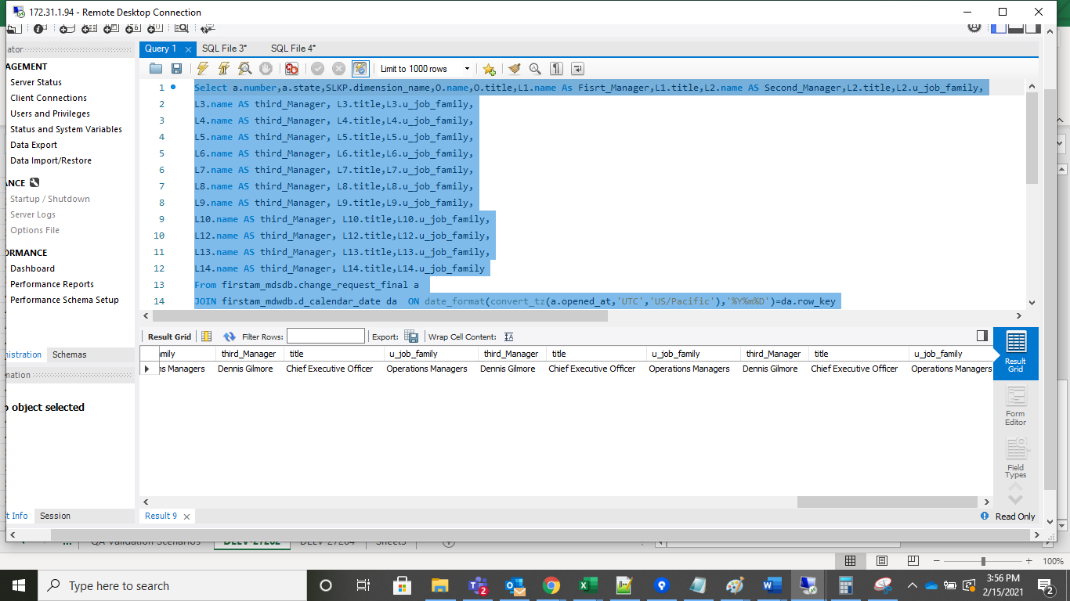

 |  | Change Owner Count
Select a.u_change_owner,Count(1) From firstam_mdsdb.change_request_final a JOIN firstam_mdwdb.d_calendar_date da ON date_format(convert_tz(a.opened_at,'UTC','US/Pacific'),'%Y%m%d')=da.row_key AND da.lagging_count_of_days between 0 AND 90 WHERE a.state <> 8 AND a.approval='approved' group by 1 having Count(1) >=3;

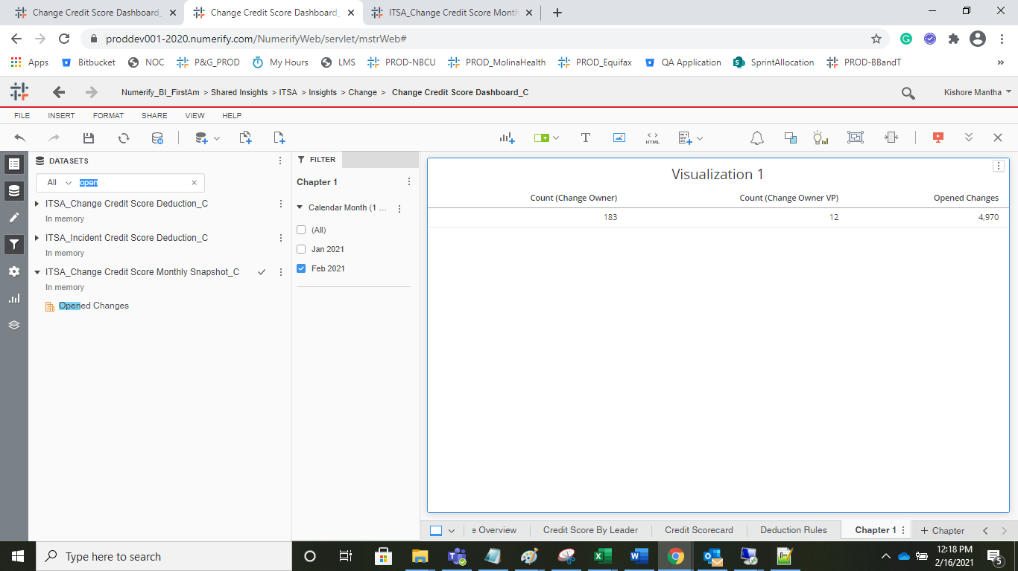
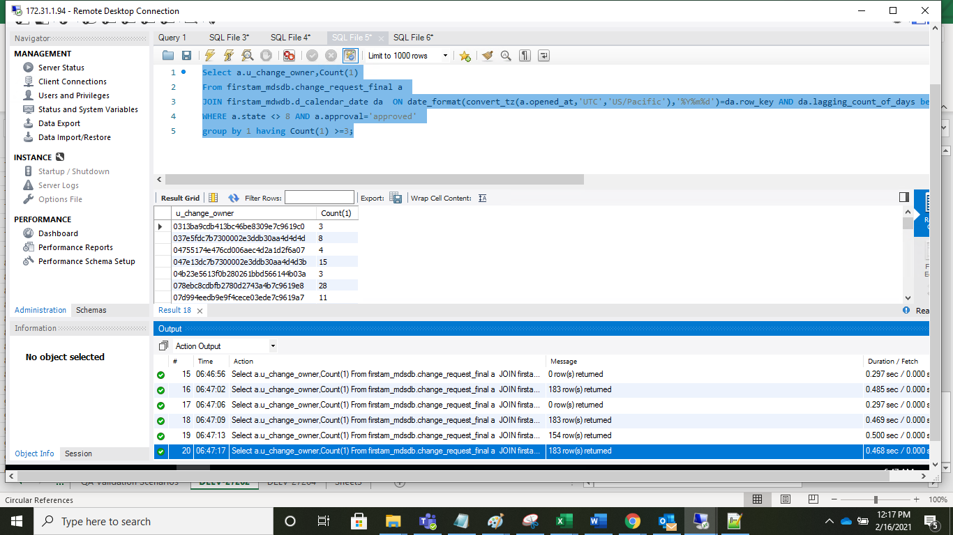

 |  | Change Owner VP
Select distinct O.name, CASE WHEN ((L1.title like 'VP%' OR L1.title like 'Vice%') AND L1.active=1 AND (L1.u_job_family LIKE 'IT%' OR L1.u_job_family IN ('Information Security Managers','Information Security Professionals')) ) THEN L1.name ELSE 'No' END AS Change_Onwner_VP, CASE WHEN ((L2.title like 'VP%' OR L2.title like 'Vice%') AND L2.active=1 AND (L2.u_job_family LIKE 'IT%' OR L2.u_job_family IN ('Information Security Managers','Information Security Professionals')) ) THEN L2.name ELSE 'No' END AS Change_Onwner_VP, CASE WHEN ((L3.title like 'VP%' OR L3.title like 'Vice%') AND L3.active=1 AND (L3.u_job_family LIKE 'IT%' OR L3.u_job_family IN ('Information Security Managers','Information Security Professionals')) ) THEN L3.name ELSE 'No' END AS Change_Onwner_VP, CASE WHEN ((L4.title like 'VP%' OR L4.title like 'Vice%') AND L4.active=1 AND (L4.u_job_family LIKE 'IT%' OR L4.u_job_family IN ('Information Security Managers','Information Security Professionals')) ) THEN L4.name ELSE 'No' END AS Change_Onwner_VP, CASE WHEN ((L5.title like 'VP%' OR L5.title like 'Vice%') AND L5.active=1 AND (L5.u_job_family LIKE 'IT%' OR L5.u_job_family IN ('Information Security Managers','Information Security Professionals')) ) THEN L5.name ELSE 'No' END AS Change_Onwner_VP, CASE WHEN ((L6.title like 'VP%' OR L6.title like 'Vice%') AND L6.active=1 AND (L6.u_job_family LIKE 'IT%' OR L6.u_job_family IN ('Information Security Managers','Information Security Professionals')) ) THEN L6.name ELSE 'No' END AS Change_Onwner_VP, CASE WHEN ((L7.title like 'VP%' OR L7.title like 'Vice%') AND L7.active=1 AND (L7.u_job_family LIKE 'IT%' OR L7.u_job_family IN ('Information Security Managers','Information Security Professionals')) ) THEN L7.name ELSE 'No' END AS Change_Onwner_VP, CASE WHEN ((L8.title like 'VP%' OR L8.title like 'Vice%') AND L8.active=1 AND (L8.u_job_family LIKE 'IT%' OR L8.u_job_family IN ('Information Security Managers','Information Security Professionals

Deduction
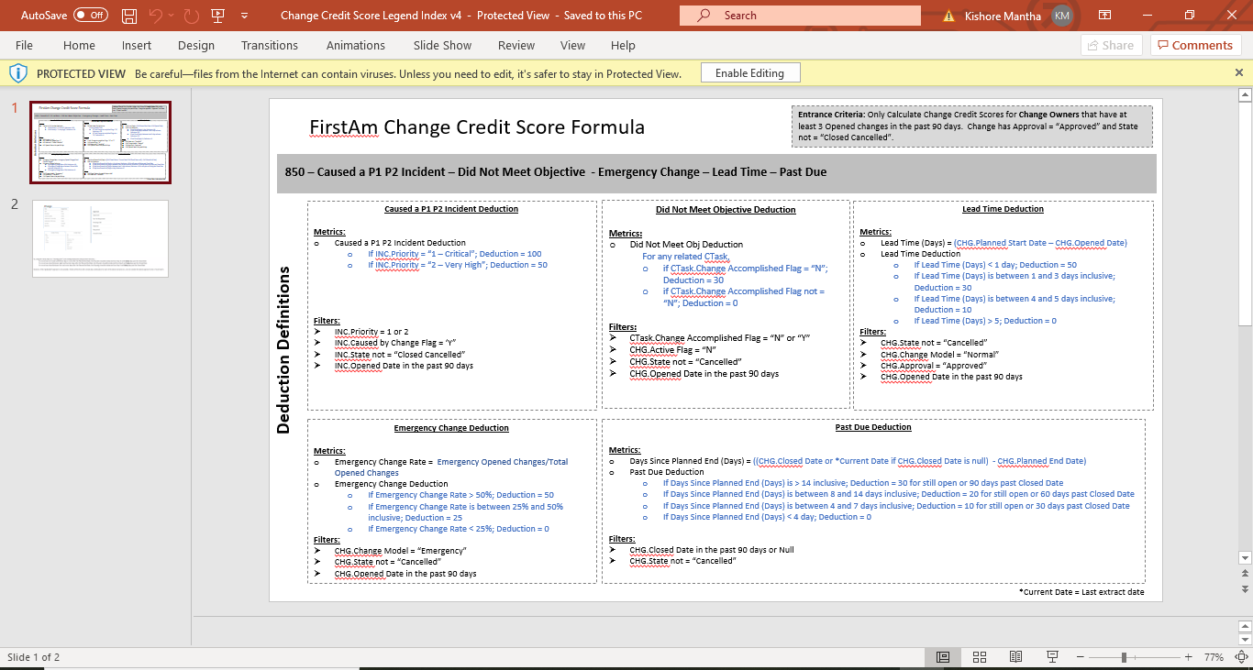

Incident P1 P2 Deductions
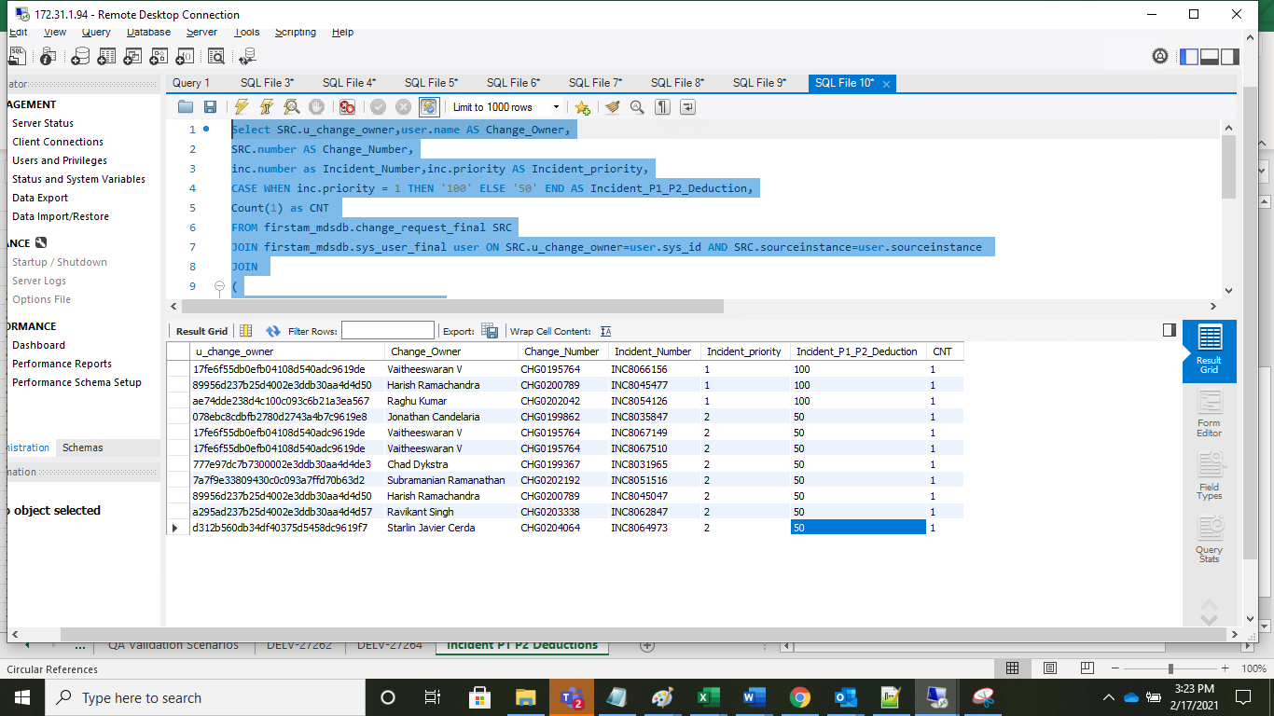
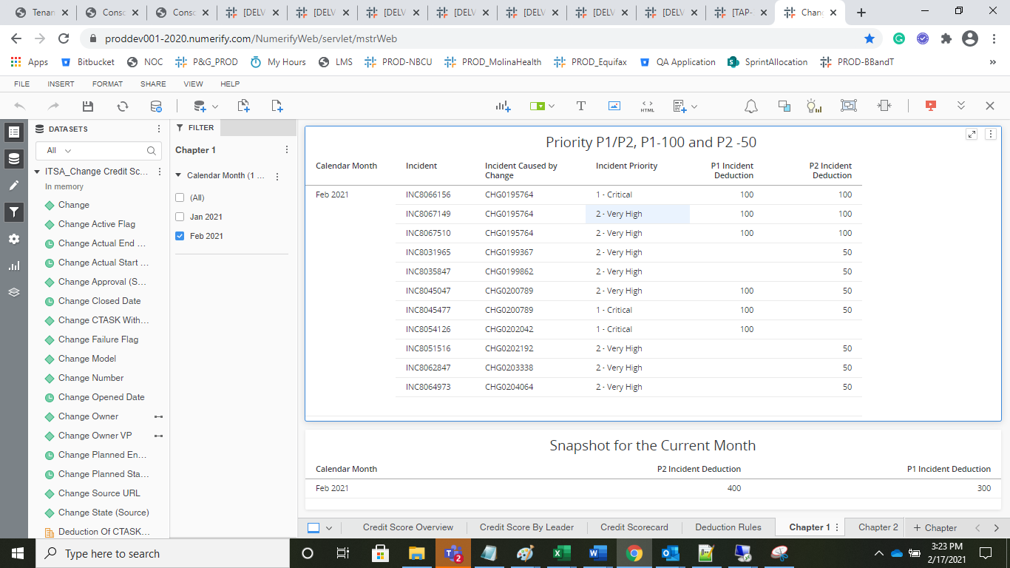
 | Query
Select SRC.u_change_owner,user.name AS Change_Owner, SRC.number AS Change_Number, inc.number as Incident_Number,inc.priority AS Incident_priority, CASE WHEN inc.priority = 1 THEN '100' ELSE '50' END AS Incident_P1_P2_Deduction, Count(1) as CNT FROM firstam_mdsdb.change_request_final SRC JOIN firstam_mdsdb.sys_user_final user ON SRC.u_change_owner=user.sys_id AND SRC.sourceinstance=user.sourceinstance JOIN ( Select a.u_change_owner,Count(1) From firstam_mdsdb.change_request_final a JOIN firstam_mdwdb.d_calendar_date da ON date_format(convert_tz(a.opened_at,'UTC','US/Pacific'),'%Y%m%d')=da.row_key AND da.lagging_count_of_days between 0 AND 90 WHERE a.state <> 8 AND a.approval='approved' group by 1 having Count(1) >=3 ) CH ON SRC.u_change_owner=CH.u_change_owner JOIN firstam_mdsdb.incident_final inc ON SRC.sys_id=inc.caused_by AND SRC.sourceinstance=inc.sourceinstance JOIN firstam_mdwdb.d_calendar_date da1 ON date_format(convert_tz(inc.opened_at,'UTC','US/Pacific'),'%Y%m%d')=da1.row_key AND da1.lagging_count_of_days between 0 and 90 Where inc.priority in (1,2) AND inc.state <> 9 and inc.cdctype='X' group by 1,2,3,4;

 |  | Details / snapshot screen shot

CTask_Object Detection
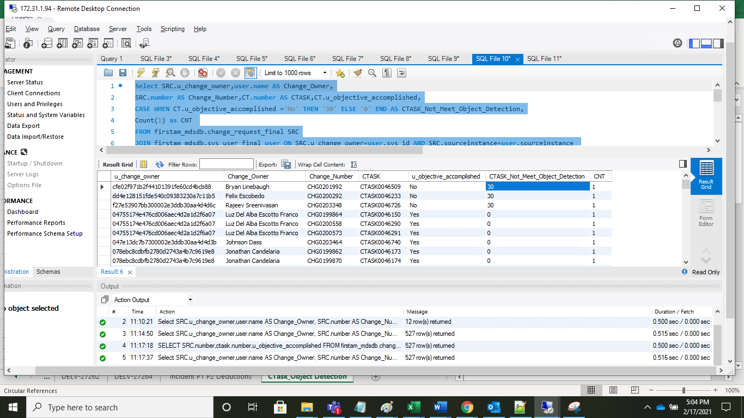
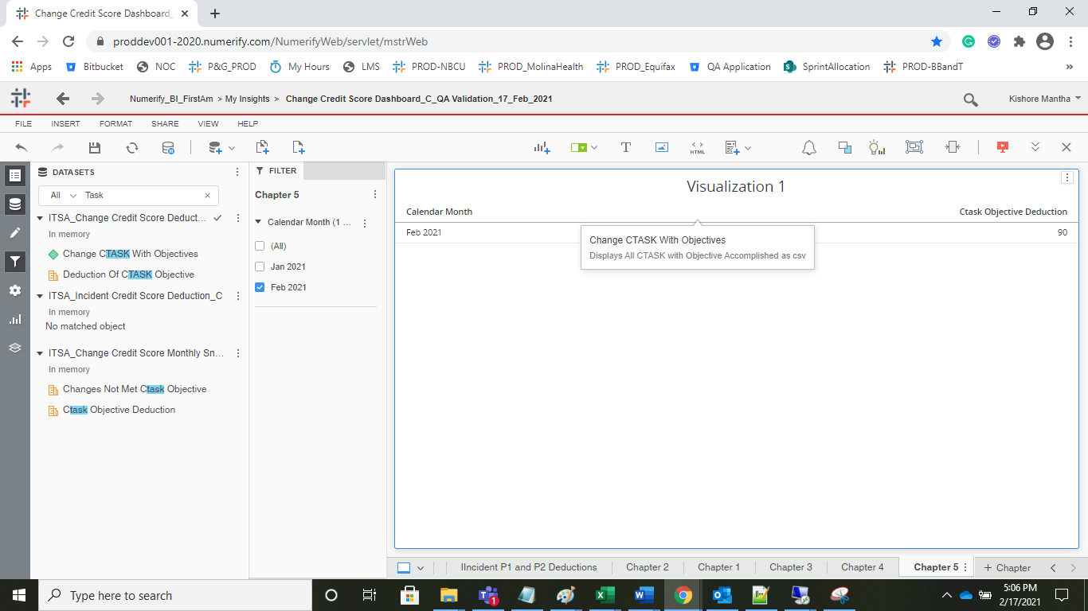
 | Query
Select SRC.u_change_owner,user.name AS Change_Owner, SRC.number AS Change_Number,CT.number AS CTASK,CT.u_objective_accomplished, CASE WHEN CT.u_objective_accomplished ='No' THEN '30' ELSE '0' END AS CTASK_Not_Meet_Object_Detection, Count(1) as CNT FROM firstam_mdsdb.change_request_final SRC JOIN firstam_mdsdb.sys_user_final user ON SRC.u_change_owner=user.sys_id AND SRC.sourceinstance=user.sourceinstance JOIN ( Select a.u_change_owner,Count(1) From firstam_mdsdb.change_request_final a JOIN firstam_mdwdb.d_calendar_date da ON date_format(convert_tz(a.opened_at,'UTC','US/Pacific'),'%Y%m%d')=da.row_key AND da.lagging_count_of_days between 0 AND 90 WHERE a.state <> 8 AND a.approval='approved' group by 1 having Count(1) >=3 ) CH ON SRC.u_change_owner=CH.u_change_owner JOIN firstam_mdsdb.change_task_final CT ON SRC.sys_id =CT.change_request AND SRC.sourceinstance=CT.sourceinstance JOIN firstam_mdwdb.d_calendar_date da1 ON date_format(convert_tz(SRC.opened_at,'UTC','US/Pacific'),'%Y%m%d')=da1.row_key AND da1.lagging_count_of_days between 0 AND 90 WHERE SRC.state <> 8 AND SRC.active=0 AND CT.u_objective_accomplished IS NOT NULL AND CT.cdctype='X' group by 1,2,3,4,5,6;

we are excluding the records with 'change_task.u_objective_accomplished' is not NULL |  | Only 3 records are having the change_task.u_objective_accomplished' ahd hence 3* 30 = 90.

Lead Time Deduction
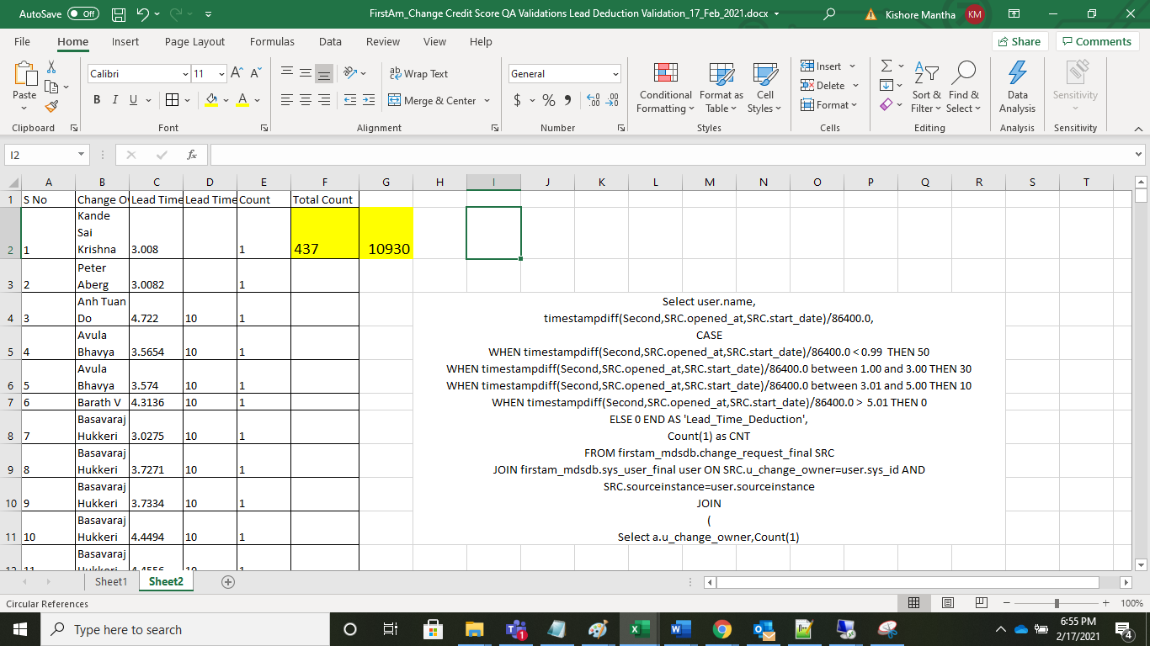
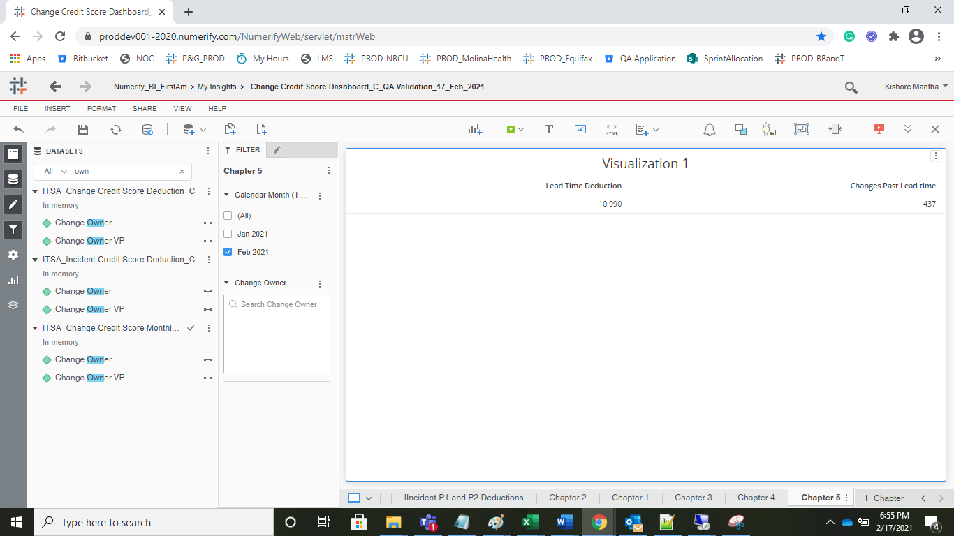
Select user.name, timestampdiff(Second,SRC.opened_at,SRC.start_date)/86400.0, CASE WHEN timestampdiff(Second,SRC.opened_at,SRC.start_date)/86400.0 > 1 THEN 50 WHEN timestampdiff(Second,SRC.opened_at,SRC.start_date)/86400.0 between 1.1 and 3 THEN 30 WHEN timestampdiff(Second,SRC.opened_at,SRC.start_date)/86400.0 between 4 and 5 THEN 10 WHEN timestampdiff(Second,SRC.opened_at,SRC.start_date)/86400.0 < 5 THEN 0 ELSE 0 END AS 'Lead_Time_Deduction', Count(1) as CNT FROM firstam_mdsdb.change_request_final SRC JOIN firstam_mdsdb.sys_user_final user ON SRC.u_change_owner=user.sys_id AND SRC.sourceinstance=user.sourceinstance JOIN ( Select a.u_change_owner,Count(1) From firstam_mdsdb.change_request_final a JOIN firstam_mdwdb.d_calendar_date da ON date_format(convert_tz(a.opened_at,'UTC','US/Pacific'),'%Y%m%d')=da.row_key AND da.lagging_count_of_days between 0 AND 90 WHERE a.state <> 8 AND a.approval='approved' group by 1 having Count(1) >=3 ) CH ON SRC.u_change_owner=CH.u_change_owner JOIN firstam_mdwdb.d_calendar_date da1 ON date_format(convert_tz(SRC.opened_at,'UTC','US/Pacific'),'%Y%m%d')=da1.row_key AND da1.lagging_count_of_days between 0 AND 90 WHERE SRC.state <> 8 AND SRC.u_change_model='Normal' AND SRC.approval='approved' AND timestampdiff(Second,SRC.opened_at,SRC.start_date)/86400.0 <= 5 group by 1,2; desc firstam_mdsdb.change_request_final; Select distinct u_change_model from firstam_mdsdb.change_request_final;

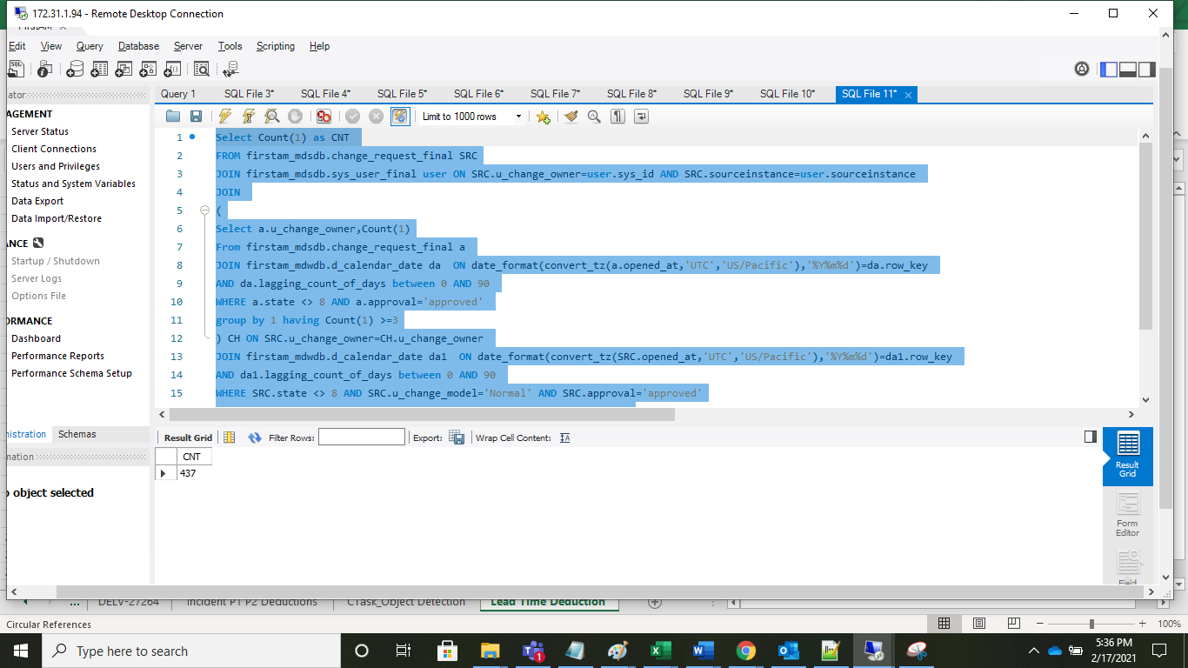
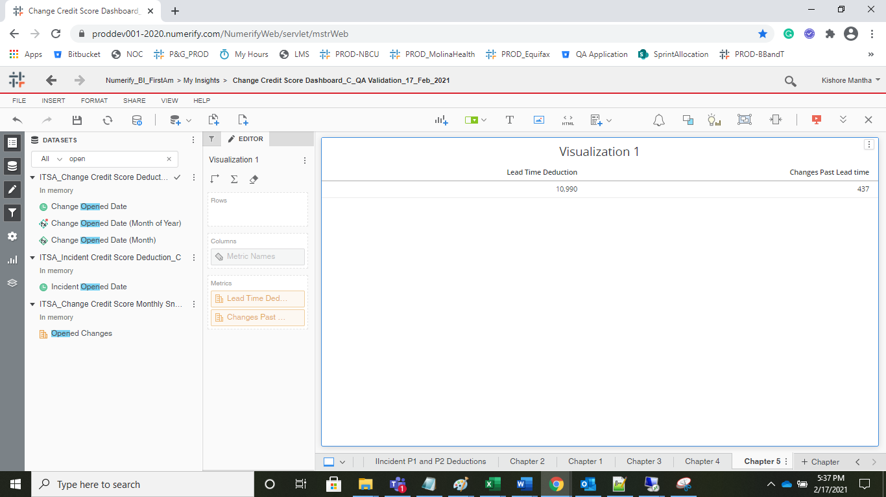

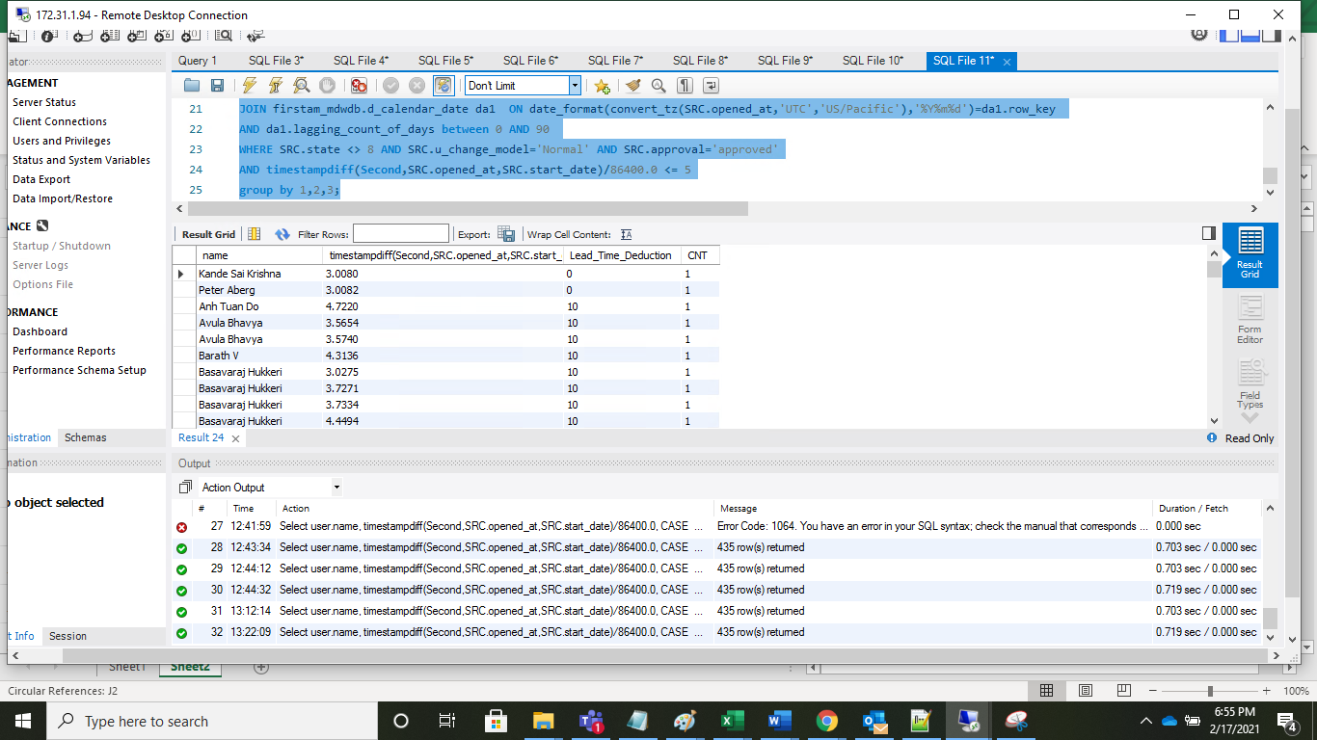

 | Noticed slight deviation with the bucketing for greater than 2 decimals

Emergency Detection
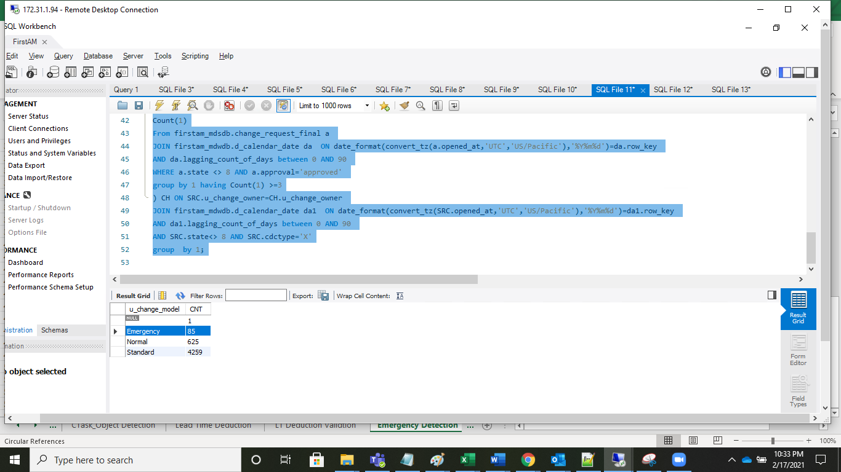
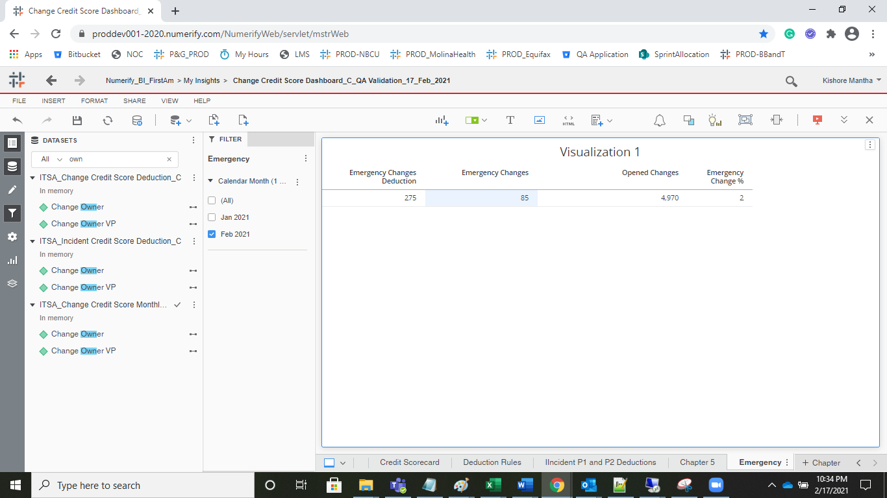
Select user.name, SUM(CASE WHEN COALESCE(SRC.u_change_model,'UNSPECIFIED')='Emergency' THEN 1 ELSE 0 END) AS Emergency_Changes, Count(SRC.sys_id) AS Opened_Change_Count, SUM(CASE WHEN COALESCE(SRC.u_change_model,'UNSPECIFIED')='Emergency' THEN 1 ELSE 0 END)/Count(SRC.sys_id) * 100, CASE WHEN SUM(CASE WHEN COALESCE(SRC.u_change_model,'UNSPECIFIED')='Emergency' THEN 1 ELSE 0 END)/Count(SRC.sys_id) * 100 > 51 THEN 50 WHEN SUM(CASE WHEN COALESCE(SRC.u_change_model,'UNSPECIFIED')='Emergency' THEN 1 ELSE 0 END)/Count(SRC.sys_id) * 100 between 25.00 and 50.00 THEN 25 ELSE 0 END AS Emergency_Change_Detection, Count(1) as CNT FROM firstam_mdsdb.change_request_final SRC JOIN firstam_mdsdb.sys_user_final user ON SRC.u_change_owner=user.sys_id AND SRC.sourceinstance=user.sourceinstance JOIN ( Select a.u_change_owner,Count(1) From firstam_mdsdb.change_request_final a JOIN firstam_mdwdb.d_calendar_date da ON date_format(convert_tz(a.opened_at,'UTC','US/Pacific'),'%Y%m%d')=da.row_key AND da.lagging_count_of_days between 0 AND 90 WHERE a.state <> 8 AND a.approval='approved' group by 1 having Count(1) >=3 ) CH ON SRC.u_change_owner=CH.u_change_owner JOIN firstam_mdwdb.d_calendar_date da1 ON date_format(convert_tz(SRC.opened_at,'UTC','US/Pacific'),'%Y%m%d')=da1.row_key AND da1.lagging_count_of_days between 0 AND 90 AND SRC.state<> 8 AND SRC.cdctype='X' group by 1;

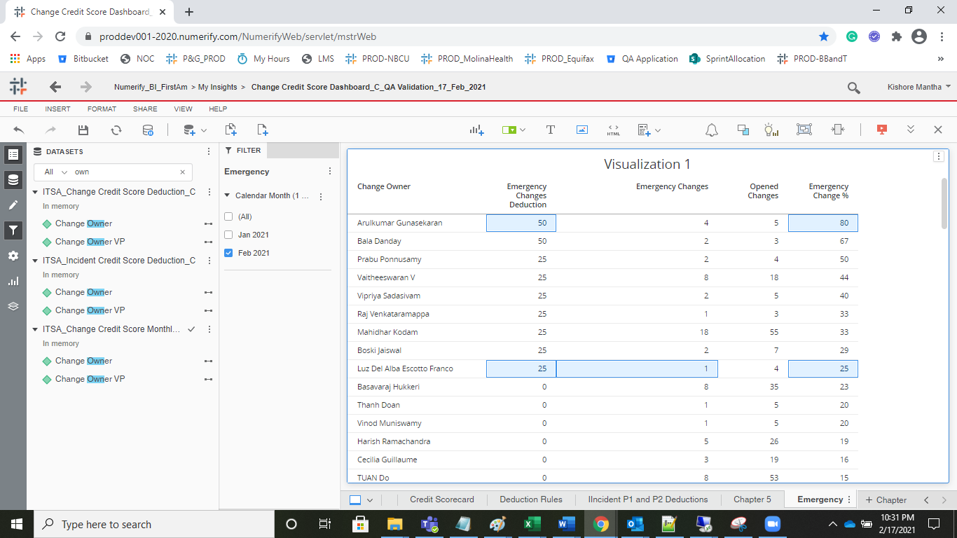
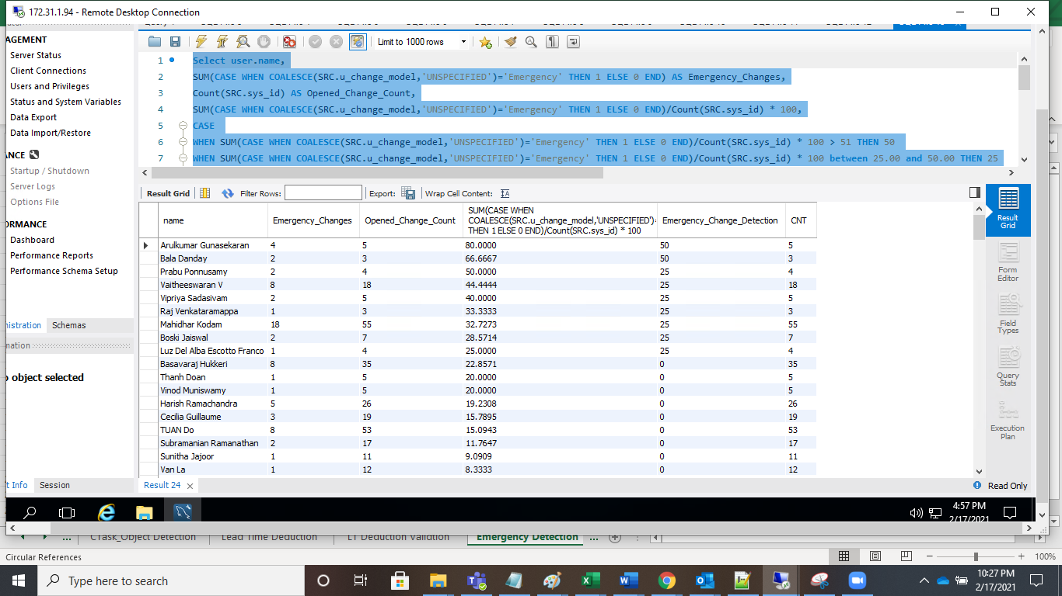

Select u_change_model, Count(1) as CNT FROM firstam_mdsdb.change_request_final SRC JOIN firstam_mdsdb.sys_user_final user ON SRC.u_change_owner=user.sys_id AND SRC.sourceinstance=user.sourceinstance JOIN ( Select a.u_change_owner, Count(1) From firstam_mdsdb.change_request_final a JOIN firstam_mdwdb.d_calendar_date da ON date_format(convert_tz(a.opened_at,'UTC','US/Pacific'),'%Y%m%d')=da.row_key AND da.lagging_count_of_days between 0 AND 90 WHERE a.state <> 8 AND a.approval='approved' group by 1 having Count(1) >=3 ) CH ON SRC.u_change_owner=CH.u_change_owner JOIN firstam_mdwdb.d_calendar_date da1 ON date_format(convert_tz(SRC.opened_at,'UTC','US/Pacific'),'%Y%m%d')=da1.row_key AND da1.lagging_count_of_days between 0 AND 90 AND SRC.state<> 8 AND SRC.cdctype='X' group by 1;

Past Due Deductions
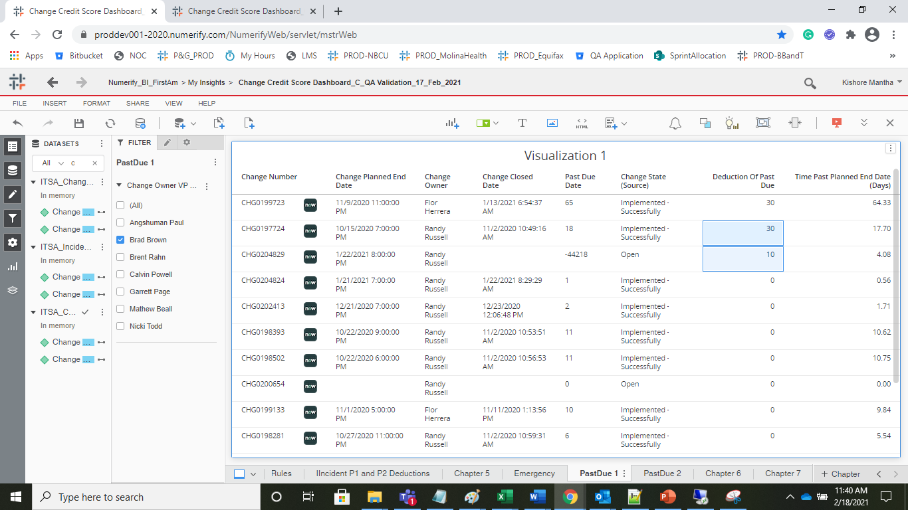
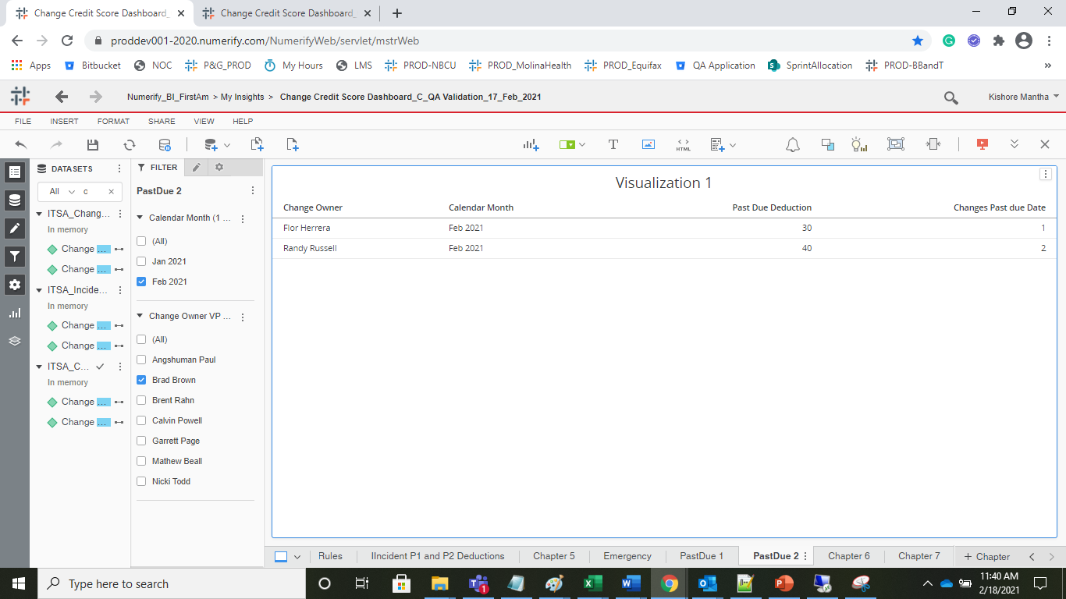
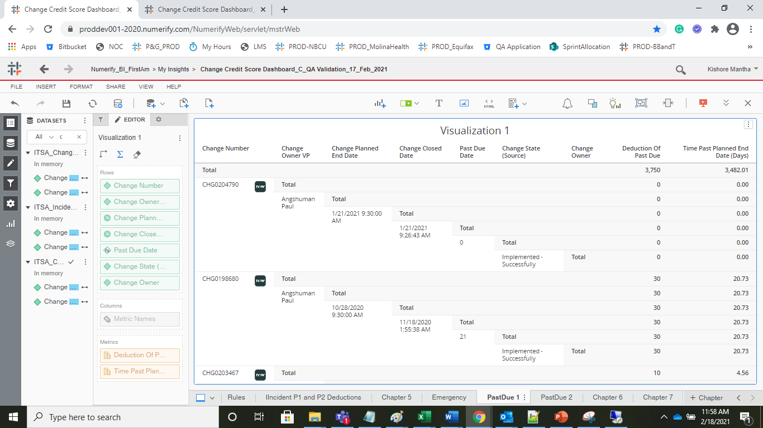
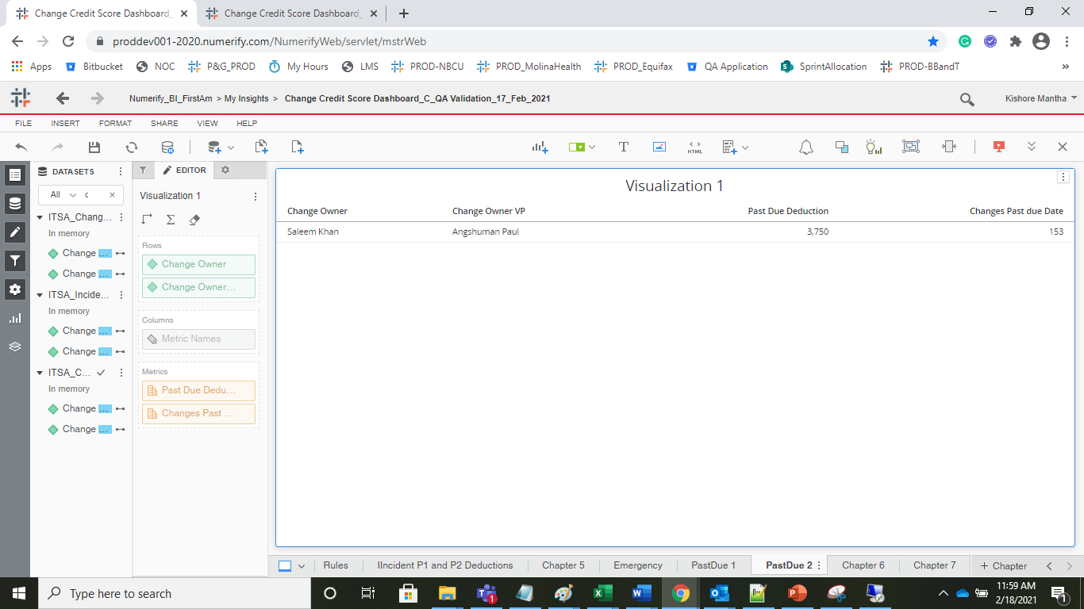
If the State is Closed , please check the Planned End Date - Closed Date and is > 14 need to deduct 30 points in the next 3 months.

 |  | Details Gird |  | Aggregated
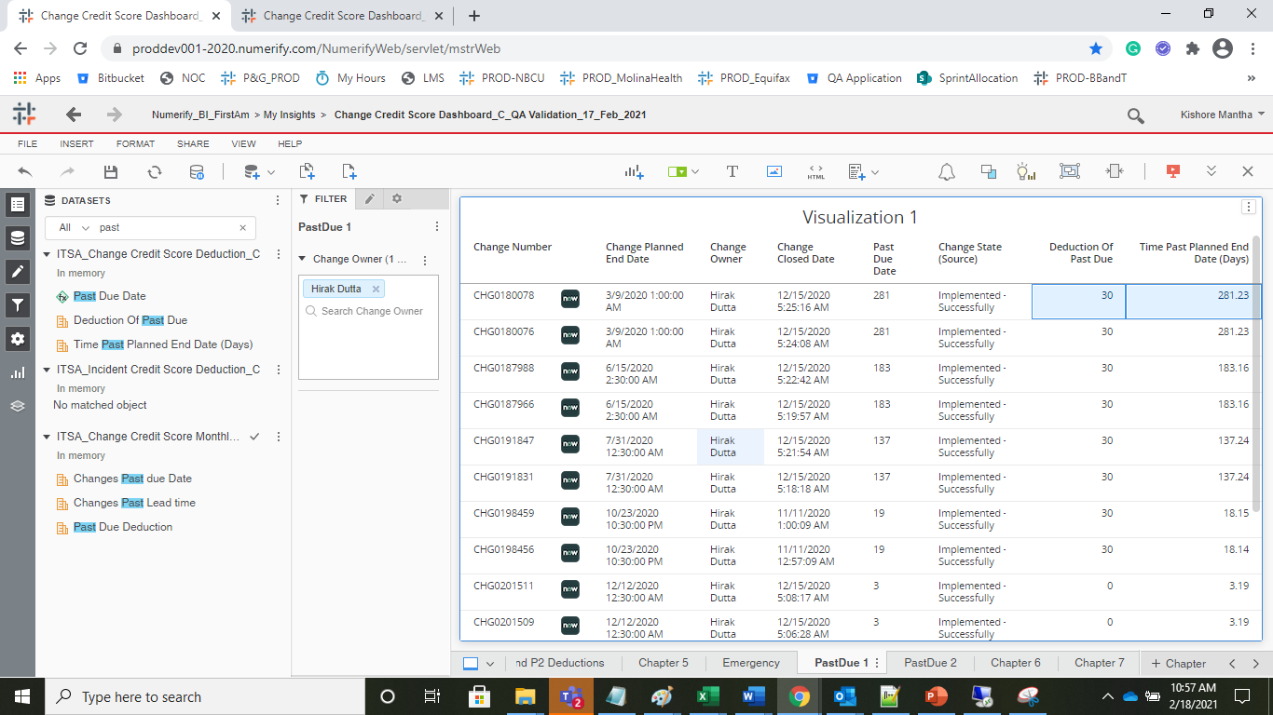
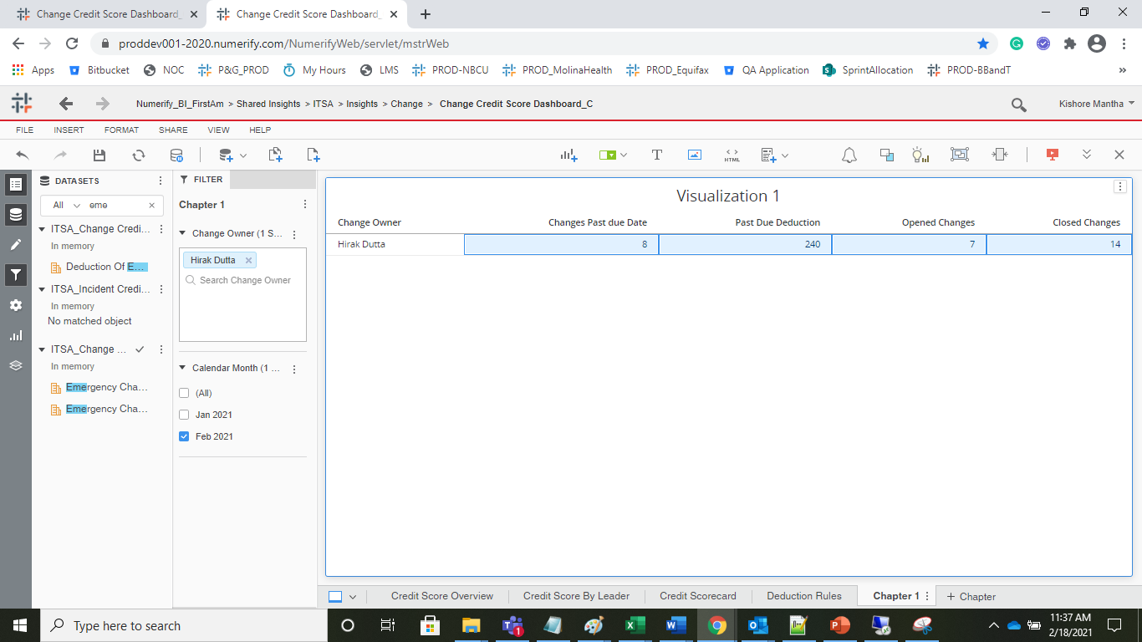

 | Change Owner VP level

 |  |  | Details Grid | Aggregated

